DG Template
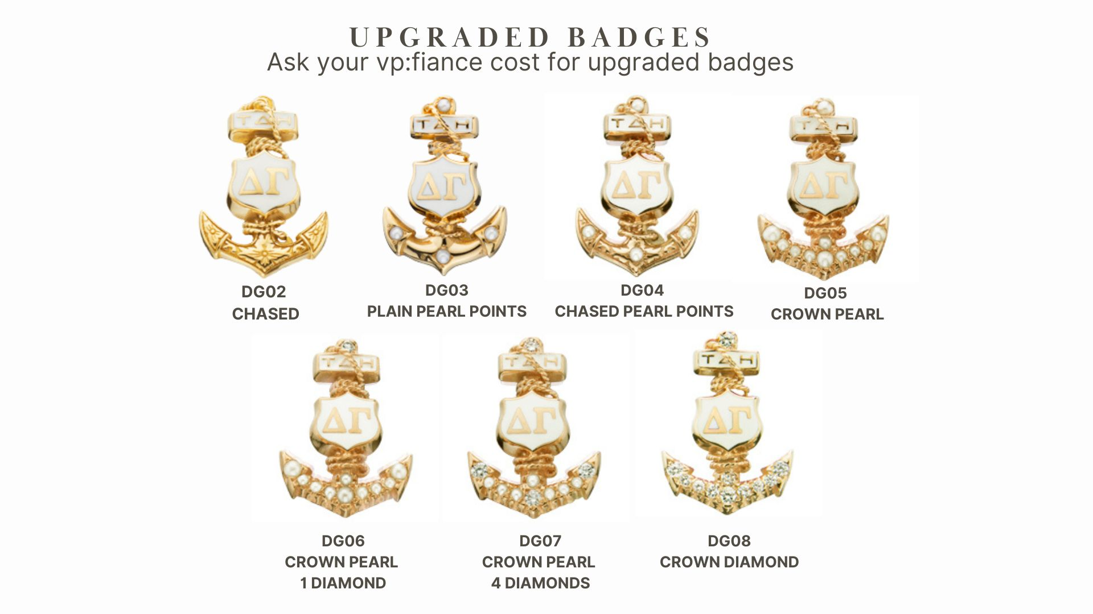
First Name | MiddleInitial | Last Name | Initials- will be engraved as it appears here | Badge Choice- please use drop down options | If Upgraded, please indicate Badge Item Number and Metal Quality (ex: DG03 10K) | Delata Gamma CPC for Chapters with Badge Fee in Budget Badge Choices & Engraving Information
 |  |  |  | Plain GE
 |  |  |  | Upgraded Badge | DG07 10K
 |  |  |  |  |  | For Officer Ordering to Complete

 |  |  |  |  |  | Chapter Letters ex: Alpha Omega

 |  |  |  |  |  | Initiation Date ex: 10/10/26

 |  |  |  |  |  | # of Plain GE Badges (DG01):
 |  |  |  |  |  | 4
 |  |  |  |  |  | # of Upgrades Badges (DG01 UPGRADE & DG02-DG08):
 |  |  |  |  |  | 2
 |  |  |  |  |  | TOTAL BADGES ON ORDER:
 |  |  |  |  |  | 6
 |  |  |  |  |  | Please ensure this quantitiy matches the quanity you order.

